Module 13
Main
 | Module 13 – Financial instruments: Impairment of financial assets

 | Impairment of financial assets
 | Recoverable amount and carrying amount is different

 | ECL Model under IFRS 9

 | For non-financial assets which require impairment losses to be recognised
 | FVTPL and FVOCI is up to date and is measured at fair value reflect impairment so no separate adjustment is required
 | Amortised cost - risk of default existss and is not reflected in this meassurementbases therefore impairment guidance applies

 | Creidt loss
 | Present vlaue of future cash shortfalls
 | PV of all the money due to us, less the PV of cash we expect to receive = credit losses (PV of all cash shortfalls)

 | Weighted average of credit losses with respect to risk of default

 | entity recognise either lifetime or 12m ECL

 | Lifetime ECL | possibel default event ofver the expected life of a financial instrumnet
 | 12m ECL | portion of the ECL which result from default events on a financial instrumnet that are possible within the 12m after the reporting date

 | Example: Credti losses

 | lends | 8000
 | on | 2021-01-01
 | trans. Cosdt | 50
 | repaymt amount | 10000
 | effecive interest rate | 3.68%

 | chance to revcover | 5,000 | 7,000 | 10,000
 | Shortfall | 5,000 | 3,000 | 0
 | PV of shortfall | 4,025 | 2,415 | 0
 | in next twelve months | 1% | 5% | 94%
 |  | 40 | 121 | 0 | 161

 | dr -SPL impairment loss |  |  | 161
 |  | cr - ECL provision |  |  | 161
 | being 12m ECL

 | Genreal approch to credit losses

 | ECL postion is stated net of allowance

 | Gross carrying amount |  |  |  | 8,050
 | Loss allowance |  |  |  | -161
 | carrying amount to FS |  |  |  | 7,889

 | Activity 1
 | loan | 20000
 | on | 2021-01-01
 | nominal interest | 5% | in arrears
 | term | 5 | years
 | ewffective interest rate | 5%

 | chance to revcover | 150
 | Shortfall | 5,000
 | PV of shortfall | 3,918
 | in next twelve months | 4%
 |  | 157

 | year | Credit losses | nominal CF | DR | DCF
 | 1 | 2021 | 1000 | 1.05 | 952
 | 2 | 2022 | 1000 | 1.05 | 907
 | 3 | 2023 | 1000 | 1.05 | 864
 | 4 | 2024 | 1000 | 1.05 | 823
 | 5 | 2025 | 1000 | 1.05 | 784
 | 5 |  | 5000 | 1.05 | 3,918
 |  |  |  |  | 8,247
 | Weighted average credit loss
 | default | 4% | 330
 | recover | 96% | 7,917
 |  |  | 8,247

 | dr - impairment loss |  |  | 330
 |  | cr - Loss allowance |  |  | 330
 | being recognition of loss allowance 1/1/2021

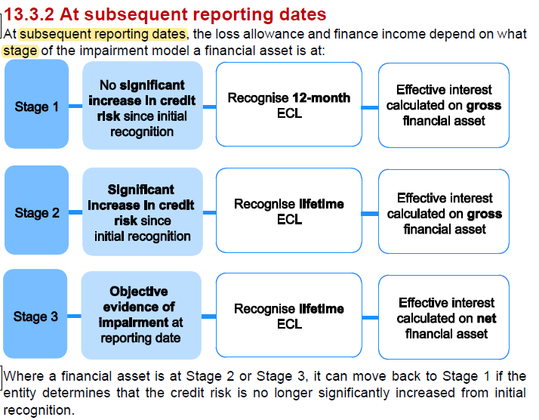

 | if significant increase in credit risk the recognise a lifetime ECL
 | objective evidence of impairment the effecitve interest is calculated on the net financial asset
 | the other two - 12m and risk increase is the gross financial asset
 | stage 1 to 3 doesn't always happen sequentially - can jump around
 | increased risk is basically and deteriation of the borrow and their ability to pay

 | an objective evidence of impairment
 | bankruptcy
 | default
 | significant financial difficulty of the borrower

 | Juniper
 | loan | 3000
 | over | 5 | year
 | nominal interest | 5%

 |  | 2026-06-30 | 2026-12-31 | 2027-12-31
 | <12m | 2.0% | 2.5% | 4.0%
 | >12m | 6.0% | 6.0% | 10.0%
 | life of asset | 8.0% | 8.5% | 14.0%
 | PV of shortfall | 900 | 800 | 750
 |  | 12m ECL | 12m ECL | recognise lifetime ECL as there has been a significant increase in the risk of default
 |  | 18 | 20 | 105

 | 12m ECL 30/06/2026 | 18

 | 31/06/26
 | dr - SPL impaiment loss |  |  | 18
 |  | cr - loss allce |  |  | 18
 | being recognition of loss allce at 30/06/26

 | 12m ECL 30/06/2026 | 18
 | 12m ECL 31/12/2026 | 20
 | incereae y/y | 2

 | dr - SPL impaiment loss |  |  | 2
 |  | cr - loss allce |  |  | 2
 | increase loss allce to reflect increase in risk

 | 12m ECL 31/12/2026 | 20
 | Lifetime ECL | 105
 | increase y/y | 85

 | dr - SPL impaiment loss |  |  | 85
 |  | cr - loss allce |  |  | 85
 | increase loss allce to reflect increase in risk and change to lifetime ECL

 | Activity 3 - Objective evidence of impairment
 | 2021-01-01
 | loan | 10,000
 | term | 6 | years
 | nominal interest | 6%
 | effective interest | 6%
 | 2024-12-31
 | gross carry amount | 10,000
 | Opening loss allowance | 1,210
 | NBV | 8,790

 | p(default) | 75%
 | in next | 2 | years
 | recover | 4,000
 | indisc shortfall | 6,000

 | discounted shortfall | 100,000

 | PV of shortfall on interest
 | 2025-12-31 | 600 | 1.06 | 566 | <<<as effective interest is the same as nominal interest this is the same number
 | 2026-12-31 | 600 | 1.06 | 534
 | PV of cash shortfall on principal | 6,000 | 1.06 | 5,340
 | Credit losses |  |  | 6,440
 |  |  |  | 75%
 |  |  |  | 4830.01068

 | Lifetime ECL |  | 4,830
 | Opening balace |  | 1,210
 | increase in loss allce |  | 3,620

 | dr - SPL impariment loss |  |  | 3,620
 |  | cr- loss allace |  |  | 3,620

 | Finance incom |  | 6%
 |  |  | 5,170 | <<<net position because we are in stage 3
 |  |  | 310

 | dr - loan recievable |  |  | 310
 |  | cr - SPL Finance income |  |  | 310
 | being finance income YE 31/12/2025

